Inventory
Beyond Boring Brand Website
Image | Style Name | Color Name | Size | Units | MSRP | TTL MSRP
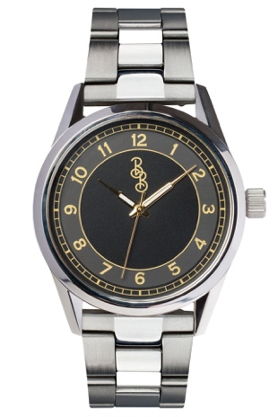 | Black and Gold Classic | Black | 39mm | 60 | $169.99 | $10,199.40
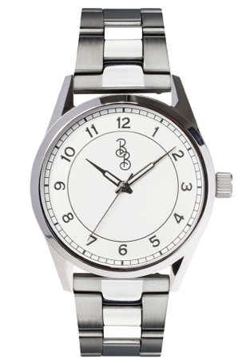 | Silver Classic | White/Silver | 39mm | 70 | $169.99 | $11,899.30
 | Silver Classic | White/Silver | 42mm | 20 | $169.99 | $3,399.80
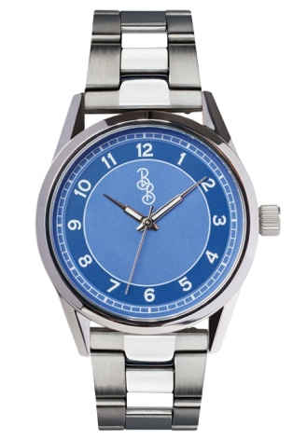 | Blue Classic | Blue | 39mm | 80 | $169.99 | $13,599.20
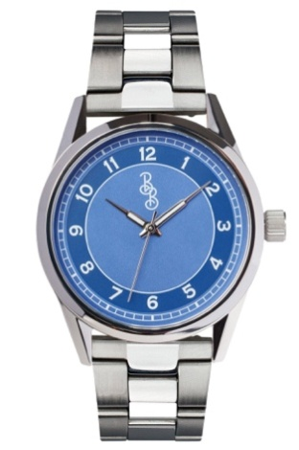 | Blue Classic | Blue | 42mm | 70 | $169.99 | $11,899.30
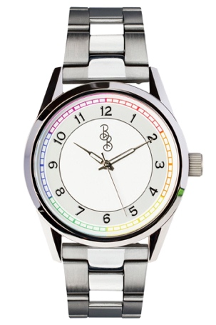 | Rainbow Classic | Rainbow | 39mm | 80 | $169.99 | $13,599.20
 | Rainbow Classic | Rainbow | 42mm | 80 | $169.99 | $13,599.20
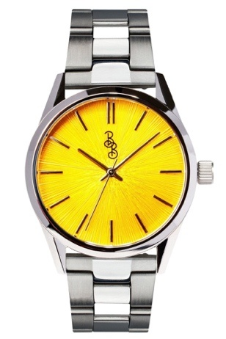 | Yellow Sunburst | Yellow | 39mm | 60 | $169.99 | $10,199.40
 | Yellow Sunburst | Yellow | 42mm | 60 | $169.99 | $10,199.40
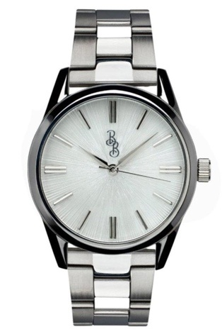 | White Sunburst | White | 39mm | 20 | $169.99 | $3,399.80
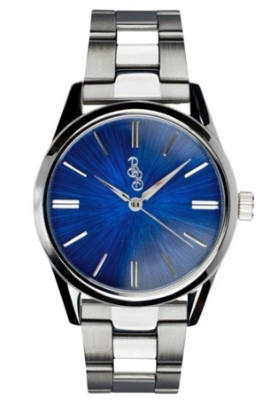 | Blue Sunburst | Blue | 39mm | 60 | $169.99 | $10,199.40
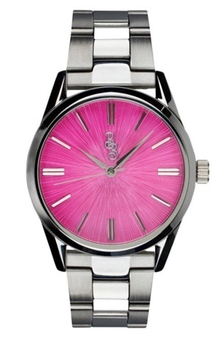 | Pink Sunburst | Pink | 39mm | 50 | $169.99 | $8,499.50
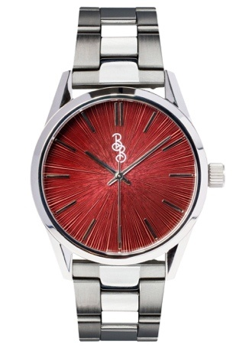 | Burgundy Sunburst | Burgundy | 39mm | 150 | $169.99 | $25,498.50
 | Burgundy Sunburst | Burgundy | 42mm | 140 | $169.99 | $23,798.60
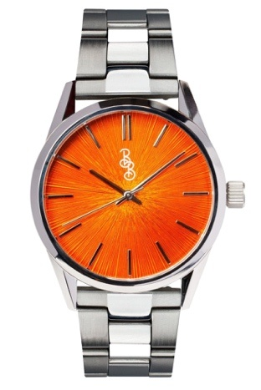 | Orange Sunburst | Orange | 39mm | 70 | $169.99 | $11,899.30
 | Orange Sunburst | Orange | 42mm | 70 | $169.99 | $11,899.30
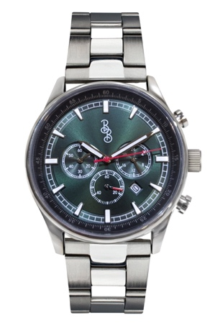 | Green Sport Chrono | Green | 41mm | 60 | $199.99 | $11,999.40
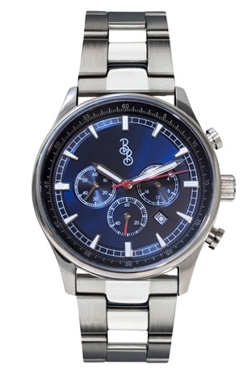 | Blue Sport Chrono | Blue | 41mm | 40 | $199.99 | $7,999.60
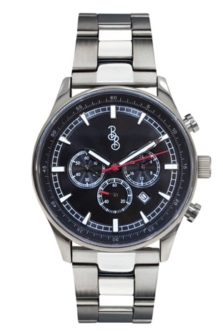 | Black Sport Chrono | Black | 41mm | 30 | $199.99 | $5,999.70
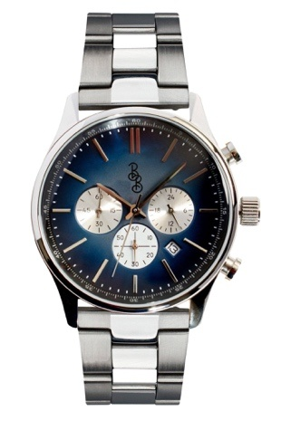 | Blue Retro Chrono | Blue | 41mm | 20 | $199.99 | $3,999.80
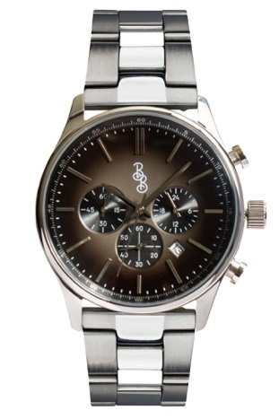 | Gray Retro Chrono | Gray | 41mm | 30 | $199.99 | $5,999.70
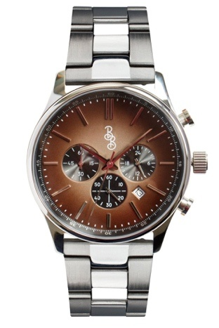 | Brown Retro Chrono | Brown | 41mm | 60 | $199.99 | $11,999.40
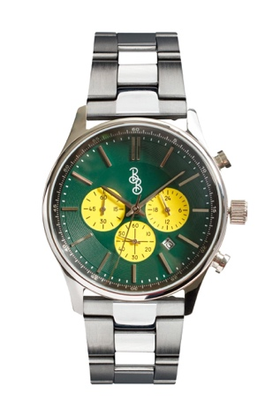 | Green and Yellow Chrono | Green | 41mm | 70 | $199.99 | $13,999.30
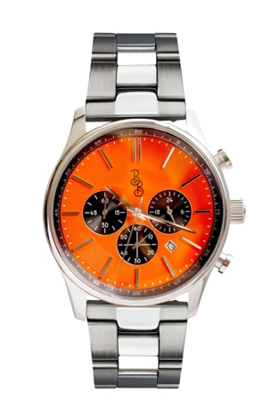 | Orange and Black Chrono | Orange | 41mm | 60 | $199.99 | $11,999.40
 |  |  |  | 1510

